Sheet1
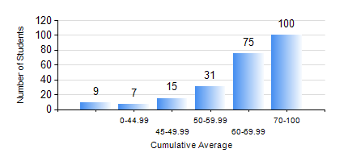
 |  |  | KWAME NKRUMAH UNIVERSITY OF SCIENCE AND TECHNOLOGY, KUMASI Department of Electrical/Electronic Engineering

 |  |  | BSC. ELECTRICAL/ELECTRONIC ENG.

 |  |  | COMPREHENSIVE RECORD OF EXAMINATION RESULTS

 |  |  | RESULTS OF YEAR 1 FIRST SEMESTER, 2022/2023 ACADEMIC YEAR

 | Sn | Course Code |  | Course Name | Credit Hours | Min. Mark | Max. Mark | Avg. Mark | Std. Dev. | No. Passed | No. Trailed | No. (Df) | No. (I) | No. (I*) | No. Tagged(I,I*,Df) | Total
 | 0. |  |  |  |  |  |  | 0 | 0 | 0 | 0 | 0 | 0 | 0 | 0 | 9
 | 1. | CE 155 |  | ENVIRONMENTAL STUDIES | 2 | 45 | 96 | 75 | 9.39 | 228 | 0 | 0 | 0 | 0 | 0 | 228
 | 2. | EE 151 |  | APPLIED ELECTRICITY | 3 | 17 | 95 | 59 | 17.62 | 213 | 15 | 0 | 0 | 0 | 0 | 228
 | 3. | EE 153 |  | ENGINEERING TECHNOLOGY | 2 | 46 | 98 | 84 | 8.49 | 228 | 0 | 0 | 0 | 0 | 0 | 228
 | 4. | ENGL 157 |  | COMMUNICATION SKILLS I | 2 | 30 | 88 | 66 | 10.98 | 225 | 3 | 0 | 0 | 0 | 0 | 228
 | 5. | MATH 151 |  | ALGEBRA | 4 | 16 | 94 | 66 | 13.56 | 224 | 4 | 0 | 0 | 0 | 0 | 228
 | 6. | ME 159 |  | TECHNICAL DRAWING | 2 | 40 | 86 | 62 | 8.68 | 228 | 0 | 0 | 0 | 0 | 0 | 228
 | 7. | ME 161 |  | BASIC MECHANICS | 3 | 14 | 99 | 66 | 20.68 | 209 | 19 | 0 | 0 | 0 | 0 | 228

